Experimental setup
Experiment | LR-035B | Test Bluewasher and Thunder for 384W plates
Date
Apr-21
Aim + hypothesis
Test bluewasher and Thunder for nasal organoid swelling in 384W plates

1. How many wells can I fill with 1x 12W HNEC113 with IL4 medium of a 384W plates?
2. Which settings of the bluewasher do I need to spin a 384W plate with organoids?
3. How to perform a swelling assay on Thunder with 384W plate?
4. Does it work to spin down the plate with bluewasher before adding the compounds?

Background articles

Donors
HNEC 113 | p5

Protocol

2021-04-12 | ALI 12W --> 24W organoids
 | AO+IL4 medium

2021-04-13 | 24W org --> 384W org (114 wells), 7 uL droplets, spin down. |  |  |  | Seperate plate with only few organoids to test settings of bluewasher.
 | 44 wells |  |  |  | 10 wells, distributed all over the plate (corners and middle)
 | AO+IL4 medium |  |  |  | Test with bluewasher: Used MagnBeadSpin (800 rpm), maybe too hard, but difficult to interpret.
 |  |  |  |  | Next time, use customized program with 400rpm and/or 600 rpm.

2021-04-14 | Swelling assay on Thunder

 | Old protocol: | Add 8 uL organoid medium
 |  | Add 5 uL calcein green
 |  | Add 40-50 uL of compounds, plate shaker, spin down

 | New protocol: | Add 20 uL (random guess) organoid medium
 |  | Spin with bluewasher: 400 rpm was not enough, 600 rpm was
 |  | Add 10, 20 or 50 uL of activators
 |  |  | 10 uL | 20 uL | 50 uL | Adv F12 kaal (uL) | Activator (uL)
 |  | Negative: DMSO | 8 | 8 | 6 | 614 | 1.2
 |  | Postive: ATP | 8 | 8 | 6 | 614 | 1.2

 | 1 | 2 | 3
 | 10 uL | 20 uL | 50 uL
A | DMSO | DMSO
B | ATP | ATP
C
D
E
F
G
H
I
J
K
L
M
N
O
P

 | Protocol for settings of Thunder microscope:
 | 1 | Aan: 2x groene knop op stekkerdoos
 | 2 | Zwarte box:
 |  |  | Rechtsboven op kast zit draaiknop voor licht
 |  |  | Buitensten schroefjes los en naar buiten schuiven --> lens omhoog om plaat erin te leggen
 |  |  | Knopje met groen lampje in box --> tafel vrij bewegen om plaat op juiste posities bovenlens te krijgen --> knopje weer indrukken om vast te zetten
 |  |  | Plaat in box zetten --> box weer dicht
 | 3 | Open LasX --> with environmental control in pop-up scherm
 | 4 | Check of CO2 en Temp aanstaan op blauwe boxen, CO2 moet bruisen in de zwarte box
 | 5 | Open project, "Apply" als je settings van vorig project wilt gebruiken
 | 6 | Door oculair sample zoeken: op touch screen 2e tabblad BF, TC-shutter open, 3e tab objectief oog
 | 7 | Bewegen met pook:
 |  |  | Witte pook = Z
 |  |  | Zwarte pook = X,Y knopjes zijkanten draaien met of tegen klok richting in draaien om te switchen tussen coarse/fine
 | 8 | Exposure =2
 | 9 | Intensiteit aanpassen:
 |  |  | TC-Fld zo klein mogelijk
 |  |  | In zwarte kast aan grijze schroef draaien tot je scherpe randen hebt
 |  |  | TC-Fld weer groter maken
 |  |  | Intensiteit kan worden gecheckt met heatmap (blauw is overbelicht)
 | 10 | Time interval + cycli aanpassen
 | 11 | Navigator (knop bovenin)
 |  |  | Uitscrollen om hele tafel/plaat in beeld te krijgen
 |  |  | Carrier --> plaat kiezen
 |  |  | Sleep om bepaald aantal welletjes te selecteren
 |  |  | Rechter muisknop --> setup chamber acquisition regions --> OK
 |  |  | Onderin: focus map point --> zet 3 focus punten neer op welletjes in hoeken --> set autofocus in deze welletjes of handmatig
 | 12 | Start experiment
 | 13 | Wordt opgeslagen in TEMP folder, achteraf dus handmatig opslaan!!
 | 14 | Exporteren

Results

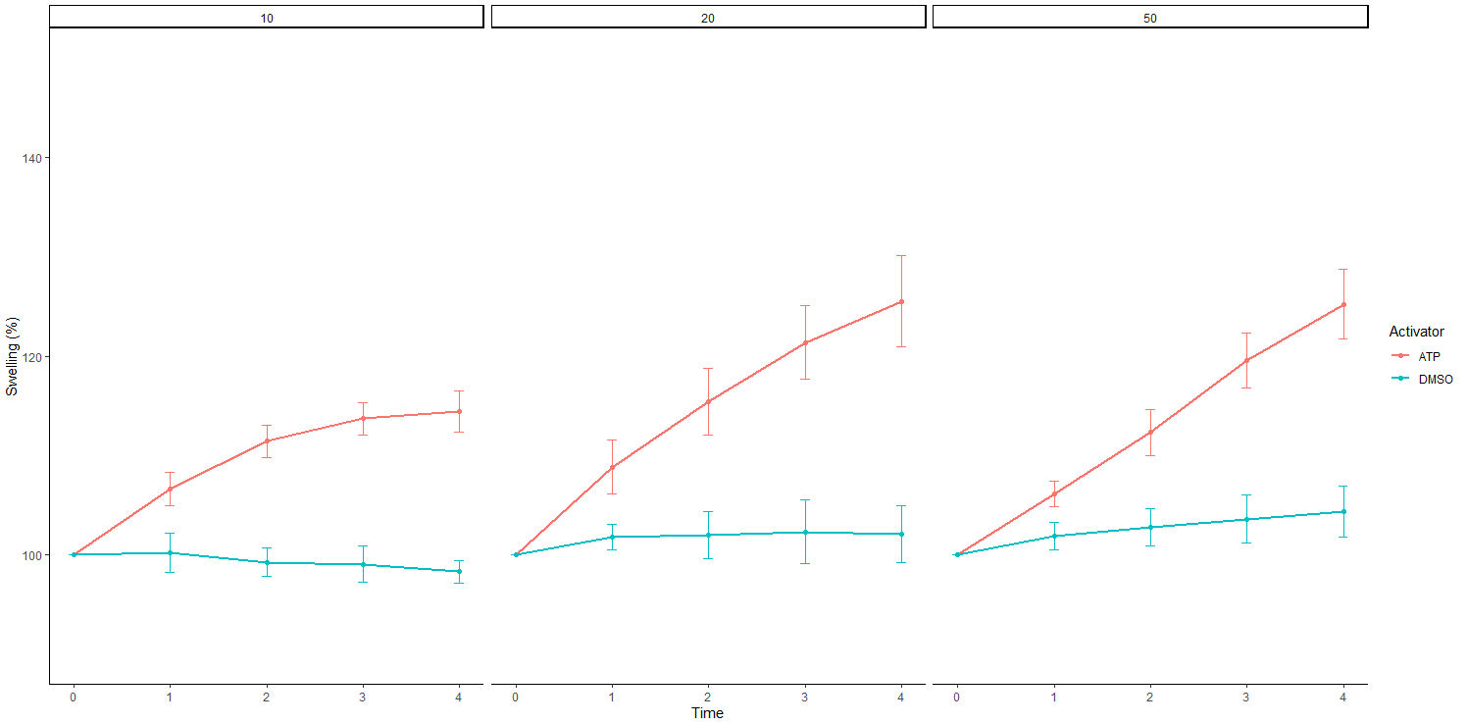
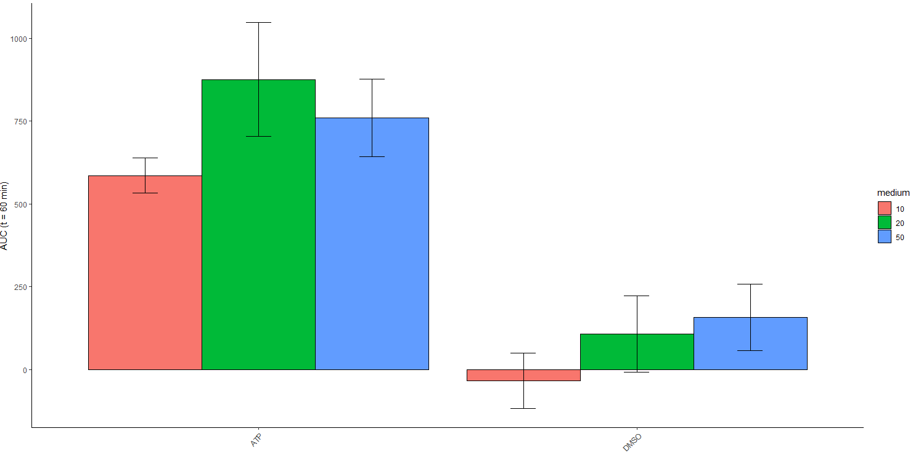

Conclusion/Discussion
1. How many wells can I fill with 1x 12W HNEC113 with IL4 medium of a 384W plates?
Now filled 54 wells (44 in this plate, 10 in plate to test bluewasher), sow will need 7-8 filters for a whole 384W plate.

2. Which settings of the bluewasher do I need to spin a 384W plate with organoids?
600 rpm

3. How to perform a swelling assay on Thunder with 384W plate?
See protocol

4. Does it work to spin down the plate with bluewasher before adding the compounds?
Yes, which amount of compounds works best?

5. Which amount of medium is prefferable with compounds?
By eye: with 50 uL least shadow background, is this due to amount of medium, or due to focus of microscope?
By analysis: 20 or 50 uL

Future plans
Repeat in HNEC0113, 386 to practice (LR-035C)

